Submission instructions
Toolkit Data Submission Instructions

For each submission, please complete the following three parts and submit to:
 | scge@mcw.edu

Part A) project information and tier access
PI/MPI name(s):
PI email:
POC name:
POC email:
Grant/Project Title:

Initiative (mark X next to one):
 | Animal Reporter and Testing Center
 | Biological Effects
 | Delivery Systems
 | Genome Editors

Access (mark X next to one):
 | Tier 1 (your project team, DCC Toolkit team, NIH PO/PTL/SO)
 | Tier 2 (your project team, DCC Toolkit team, NIH PO/PTL/SO, + collaborating SCGE-funded team)
 | If Tier 2 – identify collaborating SCGE-funded project to be given access to data:
 | PI/MPI name and project:
 | All members of the collaborating SCGE-funded project team will be given access to the data unless a specific subset of the additional SCGE-funded project team is identified.
 | Tier 3 (internal access to entire SCGE consortium)
 | Tier 4 (external release to scientific community and public)

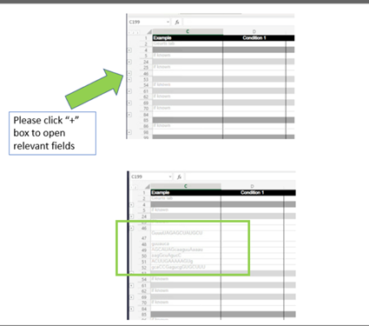
Data Submission (mark X next to one):
 | New Data Submission
 | Updating/replacing data
List Submission that is being updated here:

Part B) Completed metadata file (one or more tabs in this file)
 | a. Fill out each applicable row in corresponding tab for in vitro or in vivo data. Duplicate tabs as necessary to include multiple experiments
 | b. For each experiment (represented on one tab), each 'condition' or 'study arm' is separated into columns . Use copy/paste when the same reagent or information is used from the previous column.
 | c. If the reagent/animal model is common and already in the toolkit, you can simply use the SCGE ID found in the toolkit and then you won't have to enter all the details. For instance 13000000019 is the SCGE ID for the Ai9 mouse model. Note, some things are NOT common, like SpCas9 comes in many sequences and forms, and two different guide RNAs with slightly different sequences can target the same sequence. So be CERTAIN it is precisely the same reagent/model.
 | d. Use '+/-' buttons on the left to open/collapse metadata groupings as needed as shown to the right
 | e. If more than one editor, guide, vector, antibody, etc. is used for an experiment, copy and duplicate the rows in that section and fill in the details for each reagent. Large lists of things can be submitted as separate files (See Part C), but the basic metadata needs to be included as column headers (or blatantly obvious) so we can match to the appropriate tables of the toolkit. The filename should be entered on the metadata tab so we can match it.
 | Please do not delete or change the description of any rows. This may interfere with the upload process. If you have something important, but doesn't quite fit in the list, then please insert or add a new row and highlight it for us.
 | RRID = research reagent ID. can be searched at https://scicrunch.org/resources All Addgene plasmids, many antibodies, and some other research reagents have an RRID

Part C) data (spreadsheets, images, SOP, etc.)

 | Attach data files to email: xls, xlsx, csv, txt, jpeg, special format (let DCC know)
 | a. For large files (e.g. sequence) or large number of files (e.g. images), please contact the Toolkit team at scge@mcw.edu prior to submission.
 | b. We are unable to extract data from graphs (bar or line graphs) so that data submitted needs to be in the metadata form under Experimental Results or a separate spreadsheet formatted with metadata column headers. Data can be raw values for each replicate (preferred) or calculated averages and errors.
 | c. For the data files, please include information that describes each column and row (what is being measure, units of measure, etc.). Data labels should unequivocally tie to information in the metadata file
 | d. Protocols can be submitted as Word or PDF documents. Include lab information (individual who wrote the protocol) and whether the protocol can be included in the Toolkit.
 | e. Submission of representative images files should include a description that includes the information necessary to identify and distinguish image files from one another (can be provided as a spreadsheet with all image file names included along with description). This might include tissue, gender, age, dose, treatment, staining, magnification, etc. The Toolkit intends to house representative images and is not intended to be an image repository. If more than one representative image is desired for a particular experiment condition, the images should be assembled into a multi-panel figure at the highest resolution possible and provided as a single image file.
 | f. All figures must include a 'stand alone' figure legend that explains the figure and interpretation of result. We can convert most special characters into html.

Post Submission
Successful data submission will be confirmed by the DCC through communication to the following group of people: PI/MPI, POC, NIH PO & SO, Colin Fletcher, and Deanna Portero
Ideally within the two weeks following data submission, the DCC will schedule a Toolkit meeting with the POC to discuss in detail the submitted data and the metadata file.

Questions regarding data submission can be directed to:
DCC | scge@mcw.edu
Mindy Dwinell | mrdwinel@mcw.edu
Aron Geurts | ageurts@mcw.edu

